Suelo ARCILLOSO
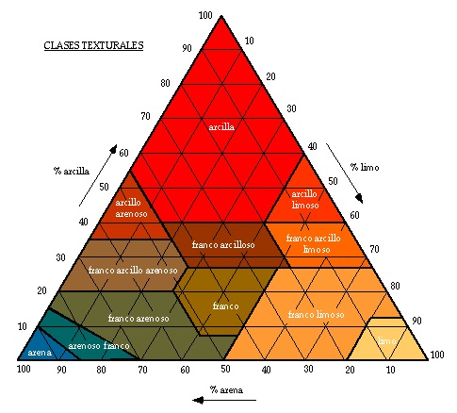
SUELO ARCILLOSO
Arcilla = | 58
Arena = | 12
Limo = | 30

Wcc = | 43.2 | %
Wpmp = | 36.7 | %
Da = | 1.12 | g/cm3
Porosidad = | 57.7 | %

